Sheet1
 |  |  | WORK REPORT
DETAILS
NAME | Rohini.v
ORGANIZATION | LetsUpgrade
DATE | 28-12-2020
ROLE | Intern
WITH THE GUIDANCE OF | MALAVIKA MAM( Head at LetsUpgrade Jr)
 | SUMMARY OF MY WORK

 |  |  |  | TRUE | SAP works
 |  |  |  | TRUE | Lead Nurturing Mails
 |  |  |  | TRUE | LetsUpgrade Jr

 |  |  | SAP (Student Ambassador Program) |  |  | FOR (3MONTHS) September- December

 |  |  | Batch-2

 |  |  | Date of selecting the Students |  | September 20-23 (2020)
 |  |  | Joining as SA in LetsUpgrade |  | September 28th 2020
 |  |  | Welcoming session |  | September 29th

 |  |  | Timeline plans for the month of September :

 |  |  | - Made a Google form and sent to SAP for #30minseries
 |  |  | - referral links
 |  |  | - Group formation for SAP along with assigning Admins
 |  |  | - Collabrating in College with their HOD
 |  |  | - Announcement of Certificates for Batch-1 SAP with 6months
 |  |  | - Time slots for demo call to participate in 30minseries

 |  |  | Timeline for the month of October:

 |  |  | - Writing a blog answering questions in community.
 |  |  | - Collabrating with HOD wrt their colleges
 |  |  | - Formation of the club
 |  |  | - Take part in 30minseries
 |  |  | - creating a weekly reports for their groups
 |  |  | - Demo calls for SA's
 |  |  | - Industry connect

 |  |  | SAP Timeline for Oct-Nov

 |  |  | Timeline plans for the month of December:

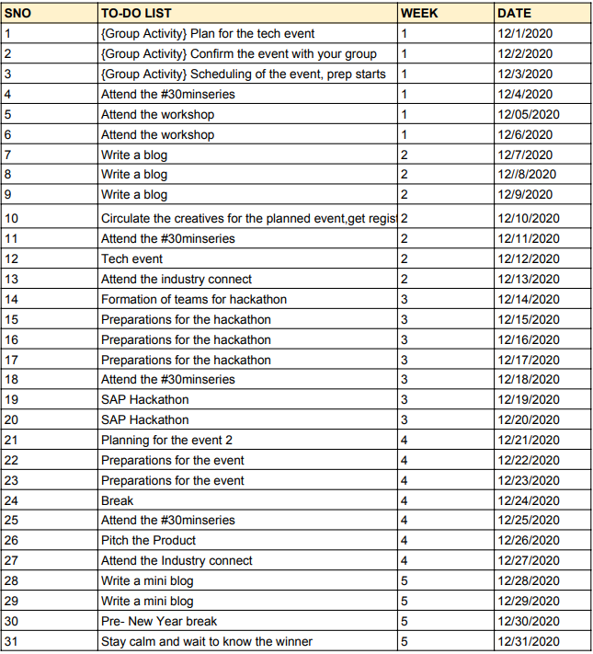

 | CHALLENGES FACED BY COMPLETING THEM |  |  |  |  |  | HOURS INVESTED PER DAY AT WORK

 | - Students were not so active regarding active participation. |  |  |  |  |  | I was spending 3 Hours per day for SAP work
 | - Students where leaving the group without informing.
 | - Group members were not responding max 5 people were actively participating out of 20 ppl. |  |  |  |  |  | 3 hours for?
 | - Finding the solution for making them to particiapte actively. |  |  |  |  |  | - Checking their daily task
 | - Google forms were sent asking them what are their expectation in SAP |  |  |  |  |  | - Conducting meetup's
 | - more technical events,webinars and interactive sessions were done as mentioned by them. |  |  |  |  |  | - Checking the left out's withouut informing
 | - Even though 20 people are consistent with their work. |  |  |  |  |  | - Entering the database and updating based on daily basis
 | - Maintainance of the left out SAP without informing was quite difficult. |  |  |  |  |  | - Some events happens taking care as co-organizing
 |  |  |  |  |  |  | - Finalizing the students who are actively participating and contributing
 |  |  |  |  |  |  | - Reporting the status to Malavika in meeting
 |  |  |  |  |  |  | - Some additional tasks like Industry connect,events.

 | Conclusion |  |  |  |  | few of the reports added in basecamp
 | database of SAP will be updated daily
 | - Current SAP |  |  |  |  | - Review of the SAP
 | - Left out SAP |  |  |  |  | - Tech event
 | - Groups of SAP
 | - To-do's of SAP review

 |  |  |  |  | LEAD NURTURING MAILS
 |  |  | AUGUST MONTH
 |  |  |  | Started with the python and aws
 |  |  |  | By writing the mails regarding
 |  |  |  | 1. Job Updates
 |  |  |  | 2. use case studies
 |  |  |  | 3. project
 |  |  |  | 4. blogs
 |  |  |  | 5. cheatsheets
 |  |  |  | 6. counselling

 |  |  | Responsibilities :
 |  |  | -Creating email course program
 |  |  | - Creating the mail based on the above mentioned topics and sending for the review to malavika.
 |  |  | - Adding it in the folder after the content is ready.
 |  |  | - Daily mails should be done based on the program curriculum.
 |  |  | - posting in basecamp

 |  |  | Lead Nurturing mails review from August
 |  |  | LNM for email coure from week-1 to week- 4

 |  |  | SEPTEMBER MONTH

 |  |  |  | - End mail Templates for
 |  |  |  | Blockchain,AWS, Digital Marketing, RPA
 |  |  |  | - Started with the Each program LNM
 |  |  |  | -Daily 5 mails wrt to courses for all the advance programs

 |  |  | OCTOBER MONTH

 |  |  |  | - SAP mails |  | - other additional mails
 |  |  |  | - Advance courses mails
 |  |  |  | - LU Jr Mails

 |  |  | DECEMBER MONTH

 |  |  |  | - Advance course mails
 |  |  |  | - Additional mails

 | CHALLENGES FACED |  |  |  |  |  |  | TIME CONSUMED FOR LNM

 | - At the beginning for writing the content of the mail it was more consuming |  |  |  |  |  |  | starting i was spending 4 hours to write the content little on own
 | -going forward i understood the work and able to complete the mails soon |  |  |  |  |  |  | and searching the content to copy paste and reviewing

 |  |  |  |  |  |  |  | After 1 month im spending 2 hours in LNM
 |  |  |  |  |  |  |  | Why 2 hours?
 |  |  |  |  |  |  |  | - searching the best easy textbook for the course
 |  |  |  |  |  |  |  | - selecting the appropriate content to be pasted
 |  |  |  |  |  |  |  | - writing the heading
 |  |  |  |  |  |  |  | - adding diagrams
 |  |  |  |  |  |  |  | - doing 5 mails in each course

 | Conclusion :
 | -Worked on LNM based on Courses, SAP as well as LU Jr

 |  |  |  |  | Letsupgrade Jr

 |  |  | Starting from the month of July
 |  |  | Had been with Demo class with Malavika.

 |  |  | August

 |  |  | -----

 |  |  | September
 |  |  | First class for swati (python)
 |  |  | Taken 3-4 classes for swati(python)

 |  |  | October
 |  |  | Class for chetan (scratch) |  | Class for yug and dhruv
 |  |  | Preparing scratch programming

 |  |  | November

 |  |  | Class for Chetan |  | Mentor selection form
 |  |  | Class for yug,dhruv |  | Interview for selecting as mentor in LU Jr

 |  |  | December

 |  |  | LU Jr demo calls
 |  |  | Class for chetan
 |  |  | yug and dhruv class completed
 |  |  | swati revision class completed
 |  |  | Rishith class

 | CHALLENGES FACED |  |  |  |  | Time spent

 | - Admission of the students |  |  |  |  | 2 and half hours
 | - LU Jr demo calls should get more
 | - reaching LU Jr more |  |  |  |  | why ?
 |  |  |  |  |  | - preparing for class before taking
 |  |  |  |  |  | - 1 hour for class
 |  |  |  |  |  | - sometimes i will be having 2 students in a day

 | Conclusion:
 | At present im taking class for chetan and rishith.

 |  |  |  |  | ADDITIONAL WORKS
 |  |  |  |  | (june-july)

 |  |  |  | Moderation for course

 |  |  |  | Before i was into the work i was occupied with moderation work
 |  |  |  | Moderating youtube live classes
 |  |  |  | uploading time stamps
 |  |  |  | overview preparing
 |  |  |  | uploading notes and assignments

 |  | My Daily Report was submited to Malavika later on im submitting in Basecamp.

 |  |  | The work report was pepared based on the task and responsibilities given to me and i have covered all the factors as mentioned.

 |  | END OF THE REPORT TILL 26-12-2020

